Communication Spec
Upper PLC Unit : RS232 Communication (ModBUS )
1
2
3
n



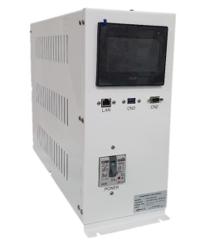

Upper PLC Unit : RS485 Communication (ModBUS )

1

Hand Shake
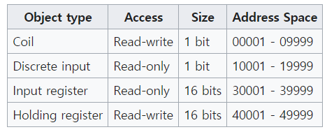
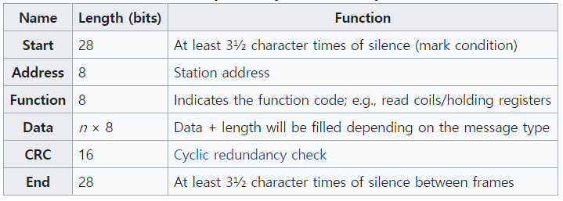
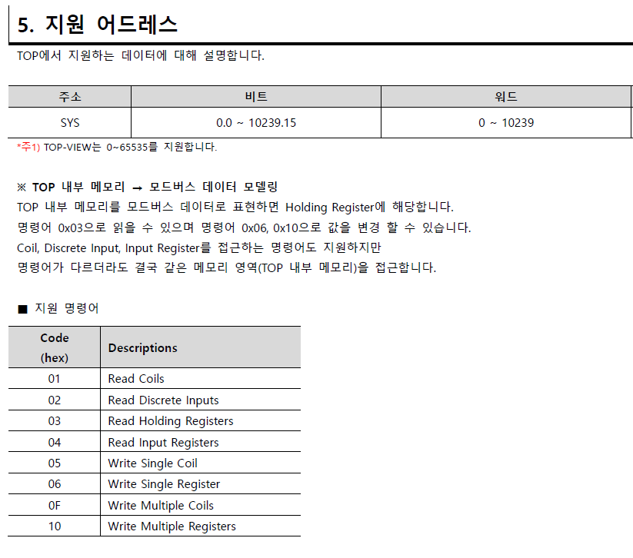
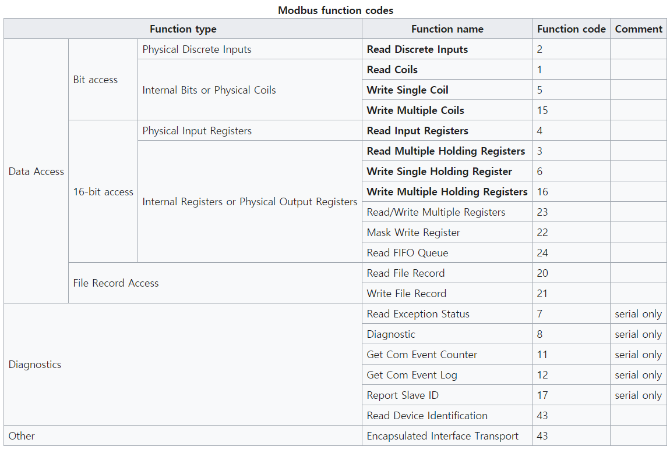
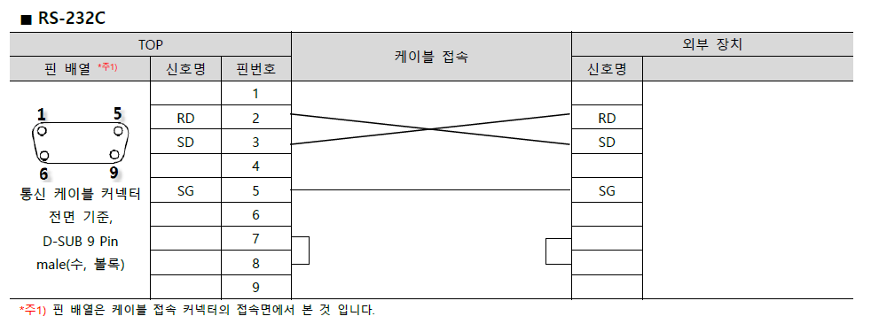
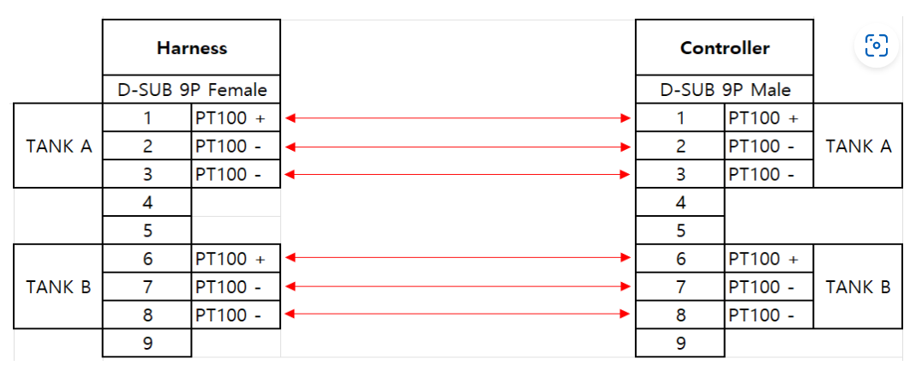
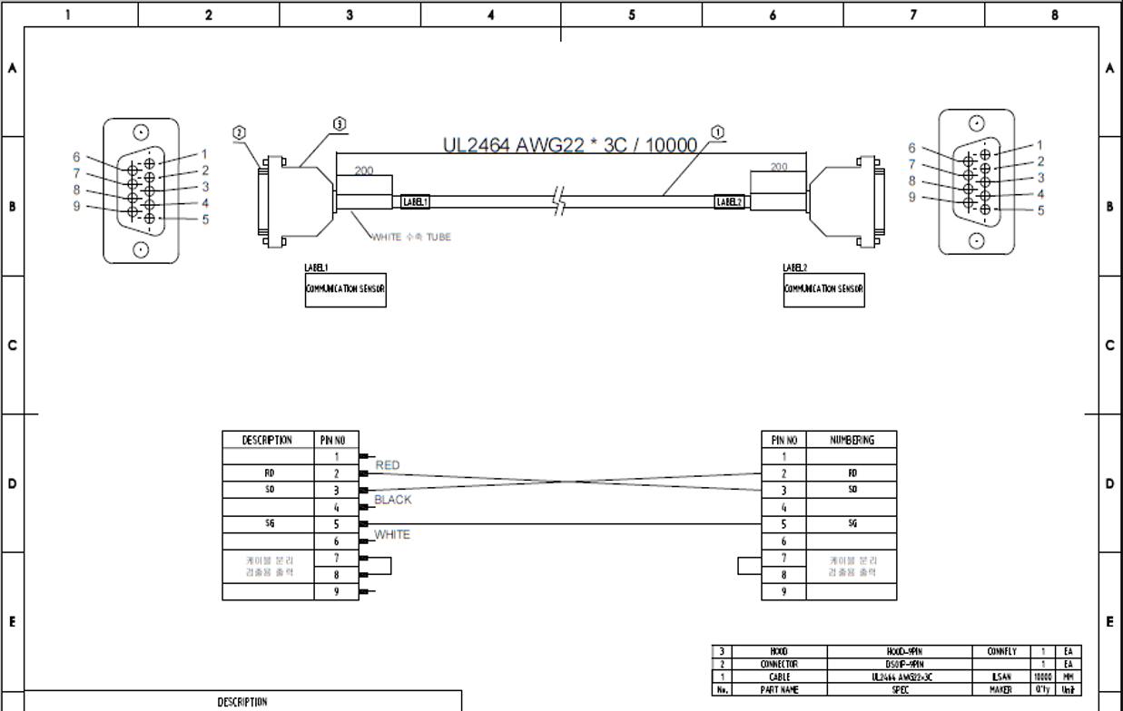
EQ->Temp Unit Write - Coil(bit)
Name | Description | Addr. | Data Type | Scaling / Unit | Function |  |  | Comment |  |  | Config | TOP Touch
Heater On | 0: Temp OFF 1: Temp ON | 0.0 | BOOL | - | 5, 15 |  |  | 명령어 |  |  | Protocol | ModBUS RTU
Tuning On | 0: Tuning OFF 1: Tuning ON | 0.1 | BOOL | - | 5, 15 |  |  | 명령어 |  |  | Data bit | 8
Heater On Sub | 온도제어 On for Sub Heater | 0.2 | BOOL | - | 5, 15 |  |  | 명령어 |  |  | Parity | None
Tuning On Sub | 온도튜닝 On for Sub Heater | 0.3 | BOOL | - | 5, 15 |  |  | 명령어 |  |  | Even/Odd | Even
Spray(Pump) Status | 0: Spray(Pump) OFF 1: Spray(Pump) ON | 0.4 | BOOL | - | 5, 15 |  |  | 명령어 |  |  | Stop bits | 1
Alarm Reset | 1: Alarm Reset | 0.5 | BOOL | - | 5, 15 |  |  | 명령어 |  |  | Rate Setting | 9600bps
Data Apply | 1: EQ->Temp Unit Set-Value 변경 | 0.6 | BOOL | - | 5, 15 |  |  | 명령어
Reserved | - | 0.7 | BOOL | - | 5, 15
Reserved | - | 0.8 | BOOL | - | 5, 15
Reserved | - | 0.9 | BOOL | - | 5, 15

EQ->Temp Unit Write - Register(Word)
Name | Description | Addr. | Data Type | Scaling / Unit | Function | Min | Max | Comment
Target Temp | SV - TANK A / B | D501 | INT | 0.01 / ℃ | 6, 16 | 0 | 999.99℃ | Setting
Target Temp - Block | SV - Block | D502 | INT | 0.01 / ℃ | 6, 16 | 0 | 999.99℃ | Setting
Target Temp - Tuning | 튜닝 타겟 온도 | D503 | INT | 0.01 / ℃ | 6, 16 | 0 | 999.99℃ | Setting
Target Temp Sub | SV - 서브 히터 | D504 | INT | 0.01 / ℃ | 6, 16 | 0 | 999.99℃ | Setting
Target Temp Sub - tuning | 튜닝 타겟 온도 - 서브히터 | D505 | INT | 0.01 / ℃ | 6, 16 | 0 | 999.99℃ | Setting
upper band alarm value | 온도 제어 Tolerance 상한치 | D506 | INT | 0.01 / ℃ | 6, 16 | 0 | 999.99℃ | Setting
lower band alarm value | 온도 제어 Tolerance 하한치 | D507 | INT | 0.01 / ℃ | 6, 16 | 0 | 999.99℃ | Setting
High Limit Temp Supply Control | 온도 Limit 상한치 - Supply | D508 | INT | 0.01 / ℃ | 6, 16 | 0 | 999.99℃ | Setting
Low Limit Temp Supply Control | 온도 Limit 하한치 - Supply | D509 | INT | 0.01 / ℃ | 6, 16 | 0 | 999.99℃ | Setting
High Warning Temp Supply Control | 온도 Limit 상한 경고 - Supply | D510 | INT | 0.01 / ℃ | 6, 16 | 0 | 999.99℃ | Setting
Low Warning Temp Supply Control | 온도 Limit 하한 경고 - Supply | D511 | INT | 0.01 / ℃ | 6, 16 | 0 | 999.99℃ | Setting
High Limit Temp Sub Control | 온도 Limit 상한치 - Sub Heater | D512 | INT | 0.01 / ℃ | 6, 16 | 0 | 999.99℃ | Setting
Low Limit Temp Sub Control | 온도 Limit 하한치 - Sub Heater | D513 | INT | 0.01 / ℃ | 6, 16 | 0 | 999.99℃ | Setting
Reserved | - | D514 | INT |  | 6, 16
Reserved | - | D515 | INT |  | 6, 16
Offset Supply Control | Supply 온도 Offset | D516 | INT | 0.01 / ℃ | 6, 16 | 0.00 (0℃) | 100.00 (10℃) | Setting
Offset Block Control | Block Control 온도 Offset | D517 |  |  | 6, 16
Offset Block Monitor | Block Monitor 온도 Offset | D518 |  |  | 6, 16
Offset Sub Control | Sub 히터 온도 Offset | D519 |  |  | 6, 16
Reserved | - | D520 |  |  | 6, 16
Spray On time | 스프레이 On time 정보 | D521 |  |  | 6, 16
Spray Off time | 스프레이 Off time 정보 | D522 |  |  | 6, 16
Tank Select | 0: A / 1: B - Tank Select | D523 | INT |  | 6, 16 |  |  | Setting
 |  | D524

Temp Unit->EQ Read - Register(Word)
Name | Description | Addr. | Data Type | Scaling / Unit | Function | Min | Max | Comment
Supply Control PV | PV - Supply | 0 | INT | 0.01 / ℃ | 4 | 0 | 999.99℃
EQ Supply Control SV | 상위 SV 확인 | 1 | INT | 0.01 / ℃ | 4 | 0 | 999.99℃
Offset Supply Control | PV - Offset Supply | 2 | INT | 0.01 / ℃ | 4 | 0 | 999.99℃
Hardware Temp | PV - 항온조 내부 온도 | 3 | INT | 0.01 / ℃ | 4 | 0 | 999.99℃
Reserved | - | 4 |  |  | 4
Control mode | 제어 모드 | 5 | INT | - | 4 | See Info |  | Dignostics |  |  | Control Mode Information
Heavy Alarm Counter#1 | 알람 Heavy 레벨 정보 코드 | 6 | INT | - | 4 | BIT |  | Dignostics |  |  | Code | Description
Heavy Alarm Counter#2 | 알람 Heavy 레벨 정보 코드 | 7 | INT | - | 4 | BIT |  | Dignostics |  |  | 0 | OFF
Heavy Alarm Counter#3 | 알람 Heavy 레벨 정보 코드 | 8 | INT | - | 4 | BIT |  | Dignostics |  |  | 1 | Heater On
Heavy Alarm Counter#4 | 알람 Heavy 레벨 정보 코드 | 9 | INT | - | 4 | BIT |  | Dignostics |  |  | 2 | Tuning On
Heavy Alarm Counter#5 | 알람 Heavy 레벨 정보 코드 | 10 | INT | - | 4 | BIT |  | Dignostics |  |  | 1000 | Error
Warning Alarm Counter#1 | 알람 Warning 레벨 정보 코드 | 11 | INT | - | 4 | BIT |  | Dignostics
Heavy Alarm Counter#1 | 알람 Heavy 레벨 정보 코드 | 12 | INT | - | 4 | BIT |  | Dignostics
Warning Alarm Counter#1 | 알람 Warning 레벨 정보 코드 | 13 | INT | - | 4 | BIT |  | Dignostics
Supply Control - Tank A | PV - Tank A | 13 | INT | - | 4 |  |  |  | 5013 | 5013
Supply Control - Tank B | PV - Tank B | 14 | INT | - | 4 |  |  |  | 5014 | 5014
Reserved | - | 15 | INT | - | 4
Reserved | - | 16 | INT | - | 4
Reserved | - | 17 | INT | - | 4
Reserved | - | 18 | INT | - | 4
Reserved | - | 19 | INT | - | 4
Reserved | - | 20 | INT | - | 4
Reserved | - | 21 | INT | - | 4
Reserved | - | 22 | INT | - | 4
Reserved | - | 23 | INT | - | 4

